Years to Maturity
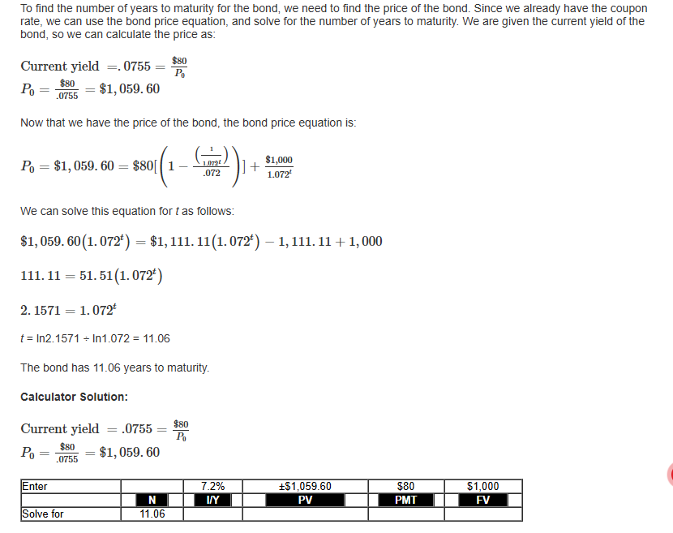
Morikawa Corporation has 8 percent coupon bonds making annual payments with a YTM of 7.2 percent. The current yield on these bonds is 7.55 percent.
How many years do these bonds have left until they mature?

 | Input area:

 | Annual coupon rate | 8.00%
 | Yield to maturity | 7.20%
 | Current yield | 7.55%
 | Par value | $1,000

 | Output area:

 | Current price | $1,059.60 | =(D10*D7)/D9 | Pmt/Current Yield = Current Price | Current Yield =Pmt/Current Price

 | Years to maturity | 11.06 | =NPER(D8,D7*D10,-D16,D10)

